Sheet1
Case Study on Volume of a Cone
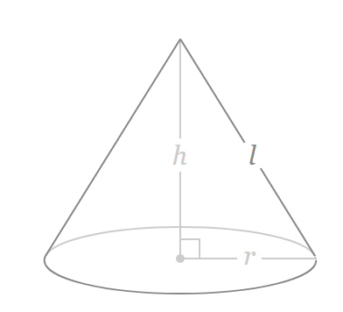
Height (h) | 2

0.2
0.4
0.6
0.8
1.0
1.2
1.4
1.6
1.8
2.0
Radius ( r) | Volume (V)
0.2
0.4
0.6
0.8
1.0
1.2
1.4
1.6
1.8
2.0

